Sheet1
Open Bugs BY Priority
Project Name: |  | CivicTechTo Website Migration
Test Executed by: |  | Swapnajit Mohanty
Sprint/Cycle: |  | Sprint 1

Bugs by Status |  |  |  |  | Open Bugs by Priority
 | Open | Retest | Closed |  | Priority | Count
Sprint 1 | 3 | 0 | 0 |  | High | 1
Sprint 2 |  |  |  |  | Medium | 2
 |  |  |  |  | Low | 0

Bug ID | Bug Overview |  |  |  |  | Environment |  | Bug Details |  |  |  |  | Bug Tracking |  |  |  |  | Accessibility (If applicable)
Bug ID No | Type | Module/Component | Summary | Severity | Priority | Server | Platform | Steps to Reproduce | Expected Result | Actual Result | Attachments | Related TC | Status | Reporter | Assignee | Date | Sprint | WCAG Version | WCAG Success Criterion | WCAG Conformance Level
CT_001 | Clarification | Migration | Archived collections not surfaced in active _data/ folder - need clarifications | Critical | High | Local | Jekyll build | 1. Clone the civictech.ca repository. 2. Open the _data/ folder. 3. Verify presence of config .yml files (categories.yml, tags.yml, navigation.yml, footer_social.yml, social_links.yml). 4. Check for existence of collection data directories (_projects/, _people/, _resources/, _venues/, _hacknights/). 5. Observe that these are only found under /archive/ and not in the active data folder. | 1. All required collection directories (_projects/, _people/, _resources/, _venues/, _hacknights/) should be present in the active _data/ folder. 2. Content should be linked to live UI pages for migration completeness. | Required collection directories exist only under /archive/ and are not surfaced on the live site. | 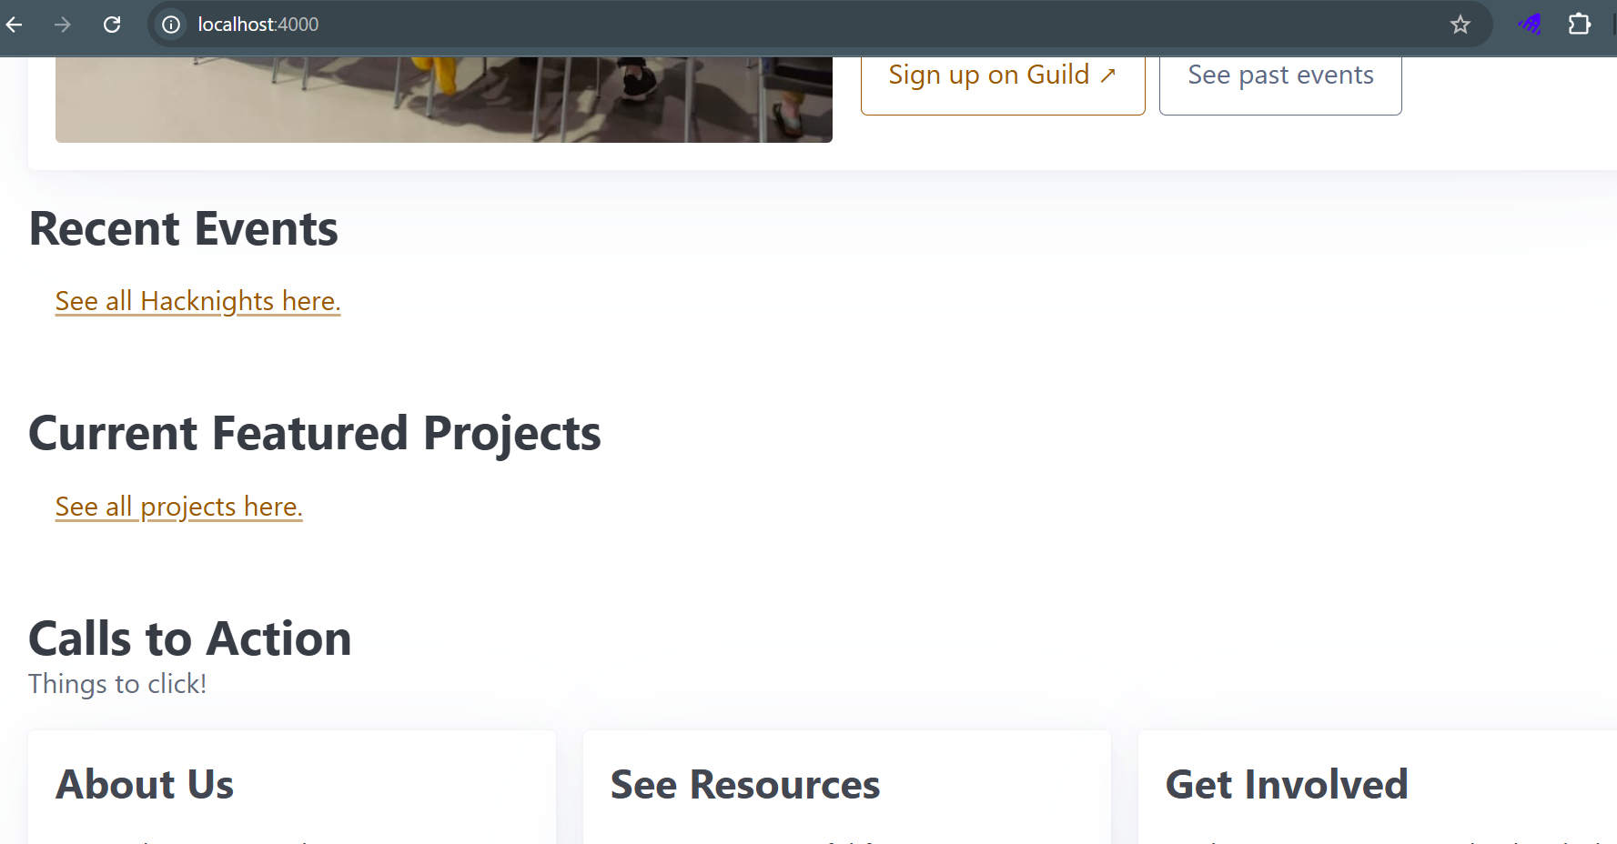 | TC-CivicTech-055 | Open | Swapnajit |  | 2025-09-20 | Sprint 1
CT_002 | Accessibility | Homepage - dark mode | Low color contrast on text element within main content section in dark mode fails WCAG 2.1 AA. | Minor | Medium | Local | Desktop/ Mobile | 1. Navigate to the website's homepage on a desktop browser. 2. Enable the dark mode setting from the user preferences or website toggle. 3. Navigate to main content and observe the text block that reads, "Every Tuesday from 7pm to 9pm – in person and online." 4. Use an accessibility tool (such as Colour Contrast Analyser) to measure the contrast ratio of the text against its background. | The visual presentation of the text should meet the WCAG 2.1 Level AA requirement for color contrast, which is a minimum ratio of 4.5:1 for normal-sized text | The contrast ratio of the text is 3.2:1, which is below the required 4.5:1. This violates the WCAG 2.1 AA standard and makes the content difficult to read for users with low vision. | 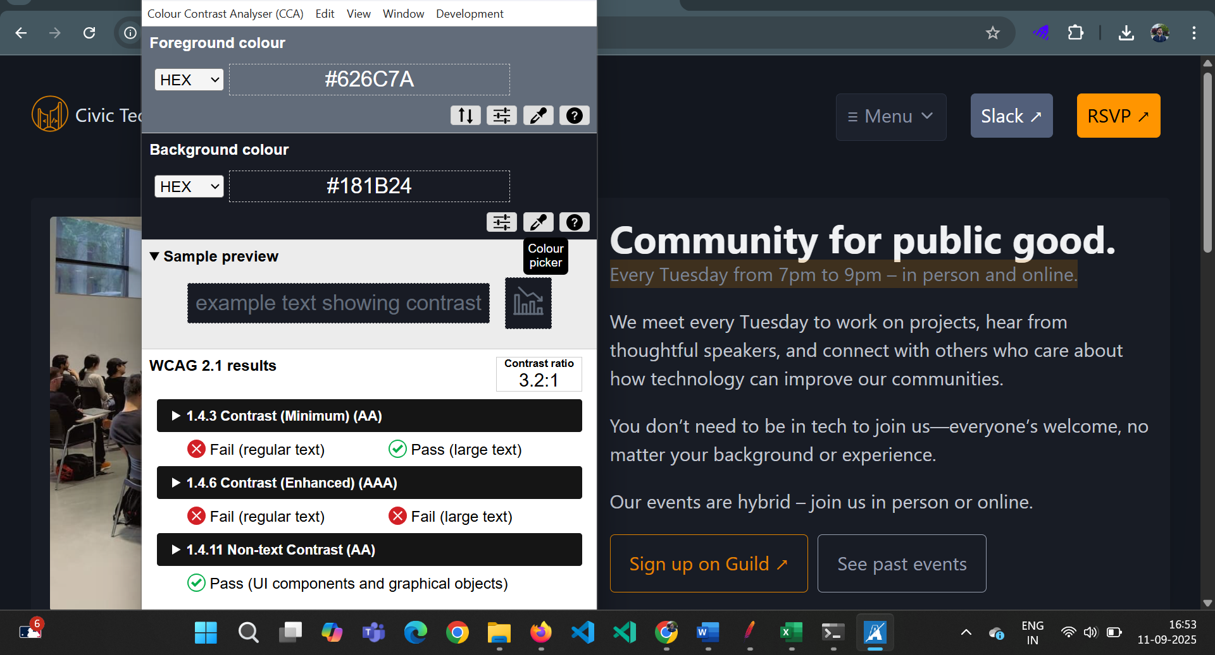 | TC-CivicTech-047 | Open | Swapnajit |  | 2025-09-20 | Sprint 1 | WCAG 2.1 | 1.4.3 | AA
CT_003 | UI/UX | Homepage - Community Intro Block | Improper vertical spacing between heading “Community for public good.” and subtext “Every Tuesday…” | Minor | Medium | Local | Mobile/Tab (responsive mode in Chrome DevTools) | 1. Open the Civic Tech Toronto website. 2. Switch to mobile view (e.g., iPhone 14 Pro Max) using browser DevTools. 3. Navigate to the homepage section with the heading “Community for public good.” 4. Observe the spacing between the heading and the subtext “Every Tuesday from 7pm to 9pm …” | There should be consistent vertical spacing between the heading and the subtext, in line with the spacing used for other elements on the page, ensuring clear readability and visual hierarchy. | The spacing between the heading and the subtext is too tight, making the text blocks appear visually cluttered and not properly distinguished. |  | TC-CivicTech-041 | Open | Swapnajit |  | 2025-09-20 | Sprint 1

